Quote
Date: | 2024-03-01

Client: | Amanda Gottlieb
Company: | Legends Hospitality
Address: | 1 Cowboys Way
City, State, Zip: | Frisco, TX 75034 |  |  |  | Quote # | 0
Office Phone:
Cell Phone: | (972) 388-6385
Email: | agottlieb-c@dallascowboys.net

Event: | Client Event

Event Dates: | May 30 & 31, 2024
Event Times: | Thursday, May 30th (6-9pm) Stationary Photo Op - Onsite Printing/Text Delivery – Player/Cheerleader Photo Opp. Event Coverage Photography – duration of cocktail hour and dinner reception Friday, May 31st (8am-5pm) Event Coverage Photography – duration of full day

Location: | The Star

Estimated Cost: | $4,800.00 | + tax
 | Includes: |  |  | Quantity | Each | Total
5/30/24 | Onsite Print Station & Text Delivery, 3-hour minimum |  |  | 1 | $3,000.00 | $3,000.00
5/30/24 | Photographer, 3-hour minimum |  |  | 3 | $150.00 | $450.00
5/31/24 | Photographer, 3-hour minimum |  |  | 9 | $150.00 | $1,350.00
 |  |  |  |  | $- | $-
 |  |  |  |  | $- | $-
 |  |  |  |  | $- | $-

 | Estimated Total Cost |  |  |  | - | $4,800.00

 | Ø You will have full usage rights of the photos without a termination date
 | Ø Lifetime image storage in two locations.
 | Ø Basic image alterations. Seven day Standard delivery.
 | Ø This information may be subject to change after final scheduling.
Agreement:
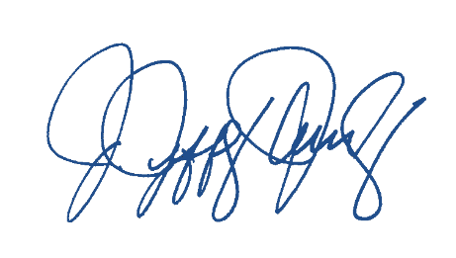
 | If you have any questions or changes, please do not hesitate to contact me by e-mail at Jeff@Jowdy.com or by phone at (214) 642-2222. If this is your understanding of our agreement, please sign and return a copy to our office. Please credit published images to Jowdy Photography. The terms of this proposal will be valid if signed within 7 days.

 | ACKNOWLEDGED AND AGREED TO THIS _____ DAY OF________________ 2024

 | Jeff Jowdy |  | Amanda Gottlieb
 | Jowdy Photography |  | Legends Hospitality

