Quote
Date: | 2024-02-19

Client: | Ed Zambie
Company: | The Promotion House
Address: | 6009 W. Parker Rd., #149-291
City, State, Zip: | Plano, Texas 75093
Office Phone: | (877) 852-4332
Cell Phone: | (214) 226-8270
Email: | ezambie@thepromotionhouse.com

Event: | Rangers World Series Trophy Tour to TXU Energy

Event Dates: | 2024-02-29
Event Times: | 11:30am - 2:00pm

Location: | TXU Energy Corp office 6555 Sierra Blvd, Irving, TX 75039

Estimated Cost: | $2,875.00 | + tax
 | Includes: |  | Quantity | Each | Total
2024-02-28 | Photo Op Setup |  | 3 | $150.00 | $450.00
2024-02-29 | Onsite Print Station, 3-hour minimum |  | 1 | $2,000.00 | $2,000.00
 | Studio Lighting / Backdrop (per setup) |  | 1 | $150.00 | $150.00
 | Website Hosting Images for FREE downloads |  | 1 | $200.00 | $200.00
 | PhotoShop Editing |  | 1 | $75.00 | $75.00
 |  |  |  | $- | $-
 |  |  |  | $- | $-

 | Estimated Total Cost |  |  | - | $2,875.00

 | Ø You will have full usage rights of the photos without a termination date
 | Ø Lifetime image storage in two locations.
 | Ø This information may be subject to change after final scheduling.
Agreement:
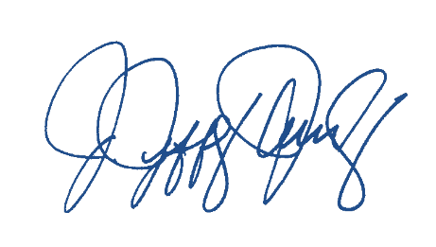
 | If you have any questions or changes, please do not hesitate to contact me by e-mail at Jeff@Jowdy.com or by phone at (214) 642-2222. If this is your understanding of our agreement, please sign and return a copy to our office. Please credit published images to Jowdy Photography. The terms of this proposal will be valid if signed within 7 days.

 | ACKNOWLEDGED AND AGREED TO THIS _____ DAY OF________________ 2024

 | Jeff Jowdy
 | Jowdy Photography

