08.02 (3)
 | Wednesday, August 2nd |  |  |  | # Shot | Photo Cards |  | Not Printed | Duplicates | # Prints |  |  | Bypass | No Show | Decline | Digital Only | Stolen
Time | Group | # | Tour | Notes |  | Start # | End # |  |  |  | Guide | Return

9:00:00 | Childcare Network 174 | 30 | Private | Summer Experience (SG), No Photos, Lunches |  |  |  |  | - | - | Danielle | -
9:15:00 | VIP | 25 | Public |  |  |  |  |  |  |  | Terry | 11:15:00
9:30:00 | VIP | 25 | Public |  |  |  |  |  |  |  | Kathy | 11:30:00
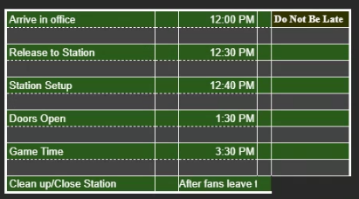
9:45:00 | VIP | 25 | Public |  |  |  |  |  |  |  | Kim | 11:45:00
10:00:00 | VIP | 35 | Public |  |  |  |  |  |  |  | Lorenzo | 12:00:00
10:15:00 | VIP | 35 | Public |  |  |  |  |  |  |  | Kim | 12:15:00
10:30:00 | VIP | 35 | Public |  |  |  |  |  |  |  | Lorenzo | 12:30:00
10:45:00 | VIP | 25 | Public |  |  |  |  |  |  |  | Terry | 12:45:00
11:00:00 | VIP | 25 | Public |  |  |  |  |  |  |  | Kathy | 13:00:00
11:15:00 | VIP | 25 | Public |  |  |  |  |  |  |  | Kim | 13:15:00
9:30:00 | VIP | 35 | Public |  |  |  |  |  |  |  | Lorenzo | 11:30:00
9:45:00 | VIP | 35 | Public |  |  |  |  |  |  |  | Kim | 11:45:00
3:00:00 | VIP | 35 | Public |  |  |  |  |  |  |  | Lorenzo | 5:00:00
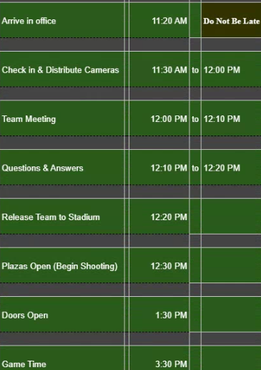
9:15:00 | VIP | 35 | Public |  |  |  |  |  |  |  | Cliff | 11:15:00
9:30:00 | VIP | 25 | Public |  |  |  |  |  |  |  | Terry | 11:30:00
9:45:00 | VIP | 25 | Public |  |  |  |  |  |  |  | Kathy | 11:45:00
12:00:00 | VIP | 25 | Public |  |  |  |  |  |  |  | Kim | 14:00:00
1:00:00 | VIP | 35 | Public |  |  |  |  |  |  |  | Lorenzo | 3:00:00
2:00:00 | VIP | 35 | Public |  |  |  |  |  |  |  | Kim | 4:00:00
3:00:00 | VIP | 35 | Public |  |  |  |  |  |  |  | Lorenzo | 5:00:00
10:00:00 | VIP | 25 | Public |  |  |  |  |  |  |  | Terry | 12:00:00
11:00:00 | VIP | 25 | Public |  |  |  |  |  |  |  | Kathy | 13:00:00
12:00:00 | VIP | 25 | Public |  |  |  |  |  |  |  | Kim | 14:00:00
1:00:00 | VIP | 35 | Public |  |  |  |  |  |  |  | Lorenzo | 3:00:00
2:00:00 | VIP | 35 | Public |  |  |  |  |  |  |  | Kim | 4:00:00
3:00:00 | VIP | 35 | Public |  |  |  |  |  |  |  | Lorenzo | 5:00:00
4:00:00 | VIP | 35 | Public |  |  |  |  |  |  |  | Cliff | 6:00:00

 |  |  |  |  | # Shot |  |  | Not Printed | Duplicates | # Prints |  |  | Bypass | No Show | Decline | Digital Only | Stolen

TOURS ADDED TO THE SCHEDULE |  |  |  |  |  | Photo Cards
Time | TOUR GUIDE |  | private? | Notes |  | Start # | End #

