DCR NCR
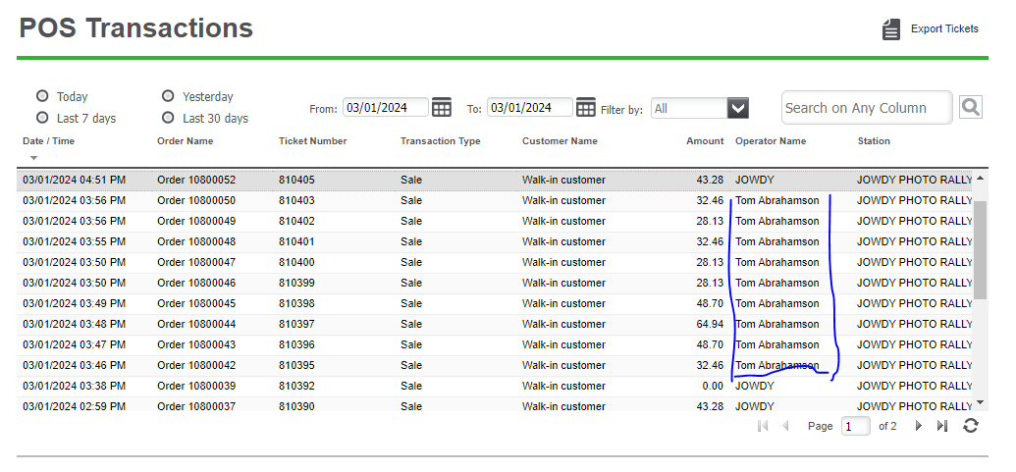
32.46 | 29.99 | 11 | 4
28.13 | 25.99 | 9 | 2
32.46 | 29.99 | 3 | 2
28.13 | 25.99 | 5 | 0
28.13 | 25.99 | 5 | 1
48.7 | 44.99 | 1 | 0
64.94 | 59.99 | 2 | 0
48.7 | 44.99 | 1 | 1
32.46 | 29.99 | 4 | 0 | 2
344.11 | 317.91 | 2 | 0 | 1
 |  | 3 | 1
 | 1277.53 | 46 | 11 | 3 | 60

